Incl Off APO Rates-excl NT

Tour Operator: |  |  | Australia & Beyond Holidays |  |  |  | Commercial in Confidence
Country of Rental: |  |  | Australia
Rate Name: |  |  | Inclusive Off Airport Rate excl Northern Territory
Source Market: |  |  | Asia
Validity: |  |  | 01 April 2025 - 31 March 2026
Avis Locations: |  |  | All Participating Off Airport Locations except Northern Territory
Wizard Number: |  |  | 5HP77H
Account Number: |  |  | AV86998015000
IATA/AAN Number: |  |  | 0117106R
Date of Issue: |  |  | 2025-06-09

OFF AIRPORT LOCATIONS EXCLUDING NORTHERN TERRITORY |  |  |  | LOW SEASON

 |  |  |  | 1-3 Days | 4-6 Days | 7+ Days
Group | Sipp Code |  | Vehicle Type | TOUR CODES
 |  |  |  | T128520 | T128520 | T128520
 |  |  |  | S4 | S4 | S4
Intermediate | ICAR | C | Toyota Corolla | $92.40 | $85.59 | $80.50
Standard | SCAR | D | Nissan Pulsar | $99.32 | $89.70 | $84.40
Full Size Van | FVAR | V | Hyundai iMax | $171.70 | $119.03 | $113.67
Compact SUV | CFAR | S | Mitsubishi ASX | $99.32 | $95.68 | $90.38
Intermediate SUV | IFAR | K | Nissan X-Trail | $108.11 | $103.38 | $95.58
Large SUV | FFAR | H | Toyota Kluger | $191.72 | $146.02 | $140.66
Full Size 4WD | PFAR | W | Mitsubishi Pajero | $193.34 | $153.04 | $147.73

RATE PROGRAMME |  |  |  |  | *Y= Yes (included) N= No (not included)
Currency |  |  |  |  | AUD
Net rate |  |  |  |  | Y
Commission |  |  |  |  | Nil, Net rate
Excess |  |  |  |  | Zero ($0)
Minimum Rental Period |  |  |  |  | 1 Day (24 Hours)
Goods & Services Tax (GST 10%) |  |  |  |  | Y
Administration Fee |  |  |  |  | Y
Loss Damage Waiver (LDW) |  |  |  |  | Y
Vehicle Registration Fee (VRF) |  |  |  |  | Y
Concession Recovery Fee (CRF) / Premium Location Surcharge (PLS) |  |  |  |  | Y
Excess Reduction |  |  |  |  | Y
Frequent Travellers Program |  |  |  |  | N
Participating Locations |  |  |  |  | All Off Airport locations as per the Avis Australia Tour Programme Participating
Please refer to Avis Australia Participating Lcoation list for locations |  |  |  |  | Locations List except Northern Territory.
that are participating in this Inclusive program

Incl On APO Rates-excl NT

Tour Operator: |  |  | Australia & Beyond Holidays |  |  |  | Commercial in Confidence
Country of Rental: |  |  | Australia
Rate Name: |  |  | Inclusive On Airport Rate excl Northern Territory
Source Market: |  |  | Asia
Validity: |  |  | 01 April 2025 - 31 March 2026
Avis Locations: |  |  | All Participating On Airport Locations except Northern Territory
Wizard Number: |  |  | 5HP77H
Account Number: |  |  | AV86998015000
IATA/AAN Number: |  |  | 0117106R
Date of Issue: |  |  | 2025-06-09

ON AIRPORT LOCATIONS EXCLUDING NORTHERN TERRITORY |  |  |  | LOW SEASON

 |  |  |  | 1-3 Days | 4-6 Days | 7+ Days
Group | Sipp Code |  | Vehicle Type | TOUR CODES
 |  |  |  | T128520 | T128520 | T128520
 |  |  |  | S4 | S4 | S4
Intermediate | ICAR | C | Toyota Corolla | $110.08 | $100.98 | $94.64
Standard | SCAR | D | Nissan Pulsar | $118.77 | $106.13 | $99.53
Full Size Van | FVAR | V | Hyundai iMax | $209.25 | $141.28 | $134.63
Compact SUV | CFAR | S | Mitsubishi ASX | $118.77 | $112.11 | $105.51
Intermediate SUV | IFAR | K | Nissan X-Trail | $129.74 | $121.73 | $112.01
Large SUV | FFAR | H | Toyota Kluger | $229.22 | $172.02 | $165.36
Full Size 4WD | PFAR | W | Mitsubishi Pajero | $231.24 | $180.80 | $174.20

RATE PROGRAMME |  |  |  |  | *Y= Yes (included) N= No (not included)
Currency |  |  |  |  | AUD
Net rate |  |  |  |  | Y
Commission |  |  |  |  | Nil, Net rate
Excess |  |  |  |  | Zero ($0)
Minimum Rental Period |  |  |  |  | 1 Day (24 Hours)
Goods & Services Tax (GST 10%) |  |  |  |  | Y
Administration Fee |  |  |  |  | Y
Loss Damage Waiver (LDW) |  |  |  |  | Y
Vehicle Registration Fee (VRF) |  |  |  |  | Y
Concession Recovery Fee (CRF) / Premium Location Surcharge (PLS) |  |  |  |  | Y
Excess Reduction |  |  |  |  | Y
Frequent Travellers Program |  |  |  |  | N
Participating Locations |  |  |  |  | All On Airport locations as per the Avis Australia Tour Programme Participating
Please refer to Avis Australia Participating Lcoation list for locations |  |  |  |  | Locations List except Northern Territory.
that are participating in this Inclusive program

OWF Reference Guide

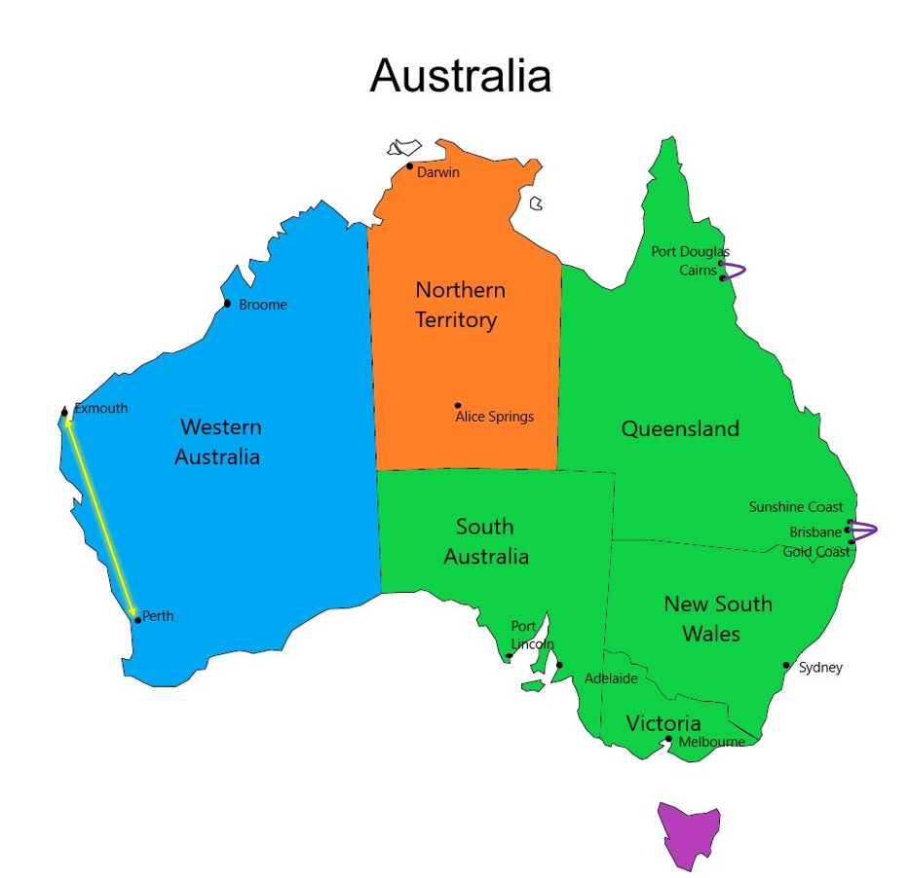
 |  |  |  |  |  | AVIS AUSTRALIA: ONE WAY FEE QUICK REFERENCE GUIDE
 |  |  |  |  |  |  | VALIDITY PERIOD: 1 APRIL 2025 TO 31 MARCH 2026 Seasonal restrictions may apply

 |  |  |  |  |  | New South Wales (NSW), Australian Capital Territory (ACT), Victoria (VIC), Queensland (QLD), South Australia (SA)
 |  |  |  |  |  | One way rental fees apply when renting between these States and Territories for rentals less than 72 hours (3 days x 24 hours) unless noted as an exception.
 |  |  |  |  |  | ONE WAY DISTANCE (KILOMETRES) | ONE WAY RENTAL FEE
 |  |  |  |  |  | 0 – 100 | $27.50
 |  |  |  |  |  | 101 – 200 | $55.00
 |  |  |  |  |  | 201 - 400 | $110.00
 |  |  |  |  |  | 401 - 1000 | $220.00
 |  |  |  |  |  | 1001 + | $330.00

 |  |  |  |  |  | A minimum continuous rental duration of 4 days (4 days x 24 hours/ 96 hours) is applicable for One-Way rentals commencing and returning within the Northern Territory
 |  |  |  |  |  | ONE WAY RENTAL FEE
 |  |  |  |  |  | DARWIN TO ANY NT LOCATION OR VICE VERSA |  |  |  | $550
 |  |  |  |  |  | ALICE SPRINGS TO ULURU (AYERS ROCK) |  |  |  | $550
 |  |  |  |  |  | ULURU (AYERS ROCK) TO ALICE SPRINGS |  |  |  | $275 | !!NEW!!

 |  |  |  |  |  | A minimum continuous rental duration of 5 days (5 days x 24 hours) is applicable for One Way Rentals within WA and a one way fee will ALWAYS apply (refer to table below) unless noted and approved by Avis as an exception
 |  |  |  |  |  | To → | Perth Metro | Esperance | Albany | Geraldton | Carnarvon | Exmouth / | Karratha | Port Hedland | Broome | Kununurra | Newman | Bunbury | Busselton
 |  |  |  |  |  | From ↓ |  |  |  |  |  | Learmonth
 |  |  |  |  |  | Perth Metro | - | $825 | $330 | $330 | $1,100 | $1,100 | $1,100 | $1,100 | $1,100 | $1,100 | $1,100 | $110 | $110
 |  |  |  |  |  | Esperance | $825 | - | $330 | N / A | N / A | N / A | N / A | N / A | N / A | N / A | N / A | $550 | $825
 |  |  |  |  |  | Albany | $330 | $330 | - | N / A | N / A | N / A | N / A | N / A | N / A | N / A | N / A | $330 | $330
 |  |  |  |  |  | Geraldton | $330 | $1,100 | $825 | - | $330 | $825 | $1,100 | $1,100 | $1,100 | $1,100 | $1,100 | $550 | $550
 |  |  |  |  |  | Carnarvon | $1,100 | $1,100 | $1,100 | $330 | - | $330 | $550 | $825 | $1,100 | $1,100 | $1,100 | $1,100 | $1,100
 |  |  | N/A: One-way not allowed |  |  | Exmouth / | $1,100 | $1,100 | $1,100 | $825 | $330 | - | $550 | $825 | $1,100 | $1,100 | $1,100 | $1,100 | $1,100
 |  |  |  |  |  | *Learmonth
 |  |  |  |  |  | Karratha | $1,100 | $1,100 | $1,100 | $1,100 | $550 | $550 | - | $110 | $825 | $1,100 | $550 | $1,100 | $1,100
 |  |  |  |  |  | Port Hedland | $1,100 | $1,100 | $1,100 | $1,100 | $825 | $825 | $110 | - | $550 | $1,100 | $330 | $1,100 | $1,100
 |  |  |  |  |  | Broome | $1,100 | $1,100 | $1,100 | $1,100 | $1,100 | $1,100 | $825 | $550 | - | $1,100 | $1,100 | $1,100 | $1,100
 |  |  |  |  |  | Kununurra | $1,100 | $1,100 | $1,100 | $1,100 | $1,100 | $1,100 | $1,100 | $1,100 | $1,100 | - | $1,100 | $1,100 | $1,100
 |  |  |  |  |  | Newman | $1,100 | $1,100 | $1,100 | $1,100 | $1,100 | $1,100 | $550 | $330 | $1,100 | $1,100 | - | $1,100 | $1,100
 |  |  |  |  |  | Bunbury | $110 | $550 | $330 | N / A | N / A | N / A | N / A | N / A | N / A | N / A | N / A | - | -
 |  |  |  |  | !!NEW!! | Busselton Airport & Downtown | $110 | $825 | $330 | N / A | N / A | N / A | N / A | N / A | N / A | N / A | N / A | - | -

 | NO ONE-WAY FEES APPLY REGARDLESS OF RENTAL DURATION BETWEEN THE FOLLOWING LCOATIONS

 | Cairns / Port Douglas – No one way fee applies when renting between these locations.
 | Gold Coast / Brisbane / Sunshine Coast – No one way fee applies when renting between these locations.
 | Tasmania - no one-way fees apply in Tasmania |  |  |  |  |  |  | CROSS ZONE RENTALS
 |  |  |  |  |  |  |  | One Way rentals travelling across zones, which either begin or end in the NT
 |  |  |  |  |  |  |  |  |  |  |  |  |  |  |  | ONE WAY RENTAL FEE
 | One Way Special (PERTH AIRPORT/CITY to/from EXMOUTH/LEARTMONTH |  |  |  |  |  |  |  |  |  |  |  |  |  |  | $1,100.00
 | $550 inc GST. Please refer to Terms and Conditions for full eligibility criteria. |  |  |  |  |  |  | One Way rentals travelling across zones, which either begin or end in WA

 |  |  |  | * Rentals that either pick up or return to Learmonth incur a $77.00 delivery surcharge

All fees are quoted inclusive of GST and will also attract an Admin Fee (3.5%), PLS (% varies by location) and Credit Card Surcharge (1.29%)

 |  | THIS DOCUMENT IS INTENDED TO BE A GUIDE TO ASSIST IN DETERMINING THE CORRECT ONE-WAY FEE APPLICABLE PLEASE REFER TO THE TERMS AND CONDITIONS DOCUMENT FOR FULL DETAILS

 |  |  |  |  |  |  |  |  |  |  |  |  |  |  |  |  |  | Version 20092024V1

